Capsule Low Acuity
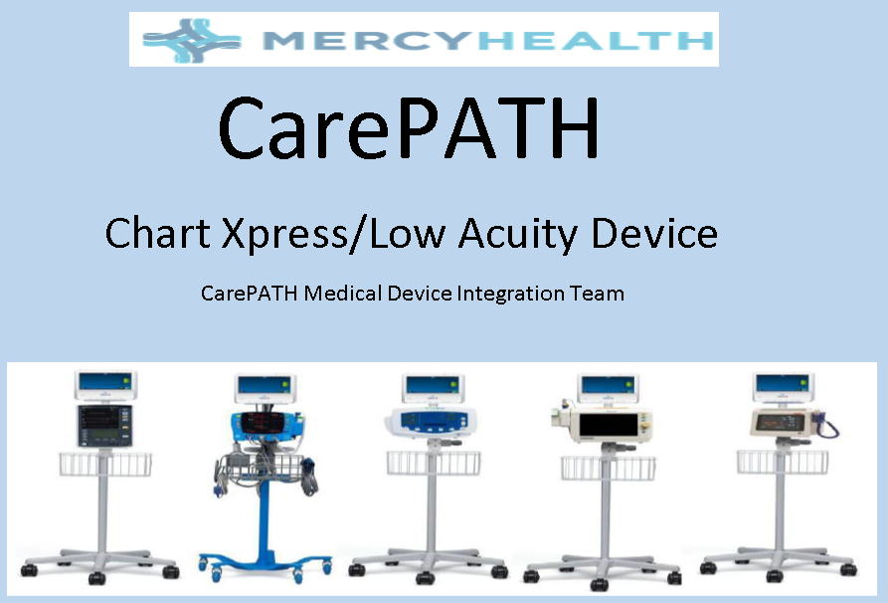
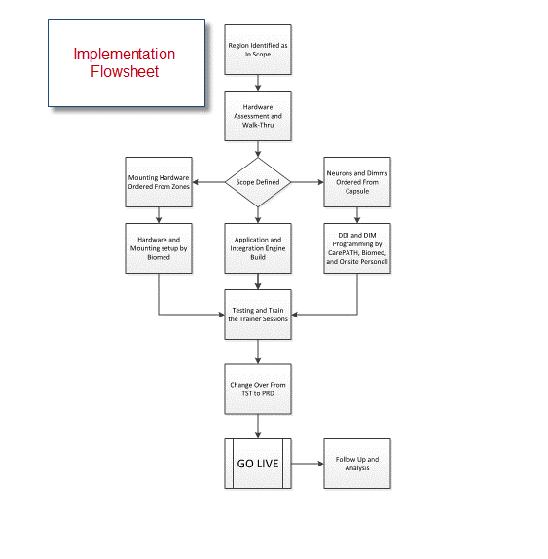
Capsule Technologie Smartlinx ChartXpress

High Acuity Implenetation Flows
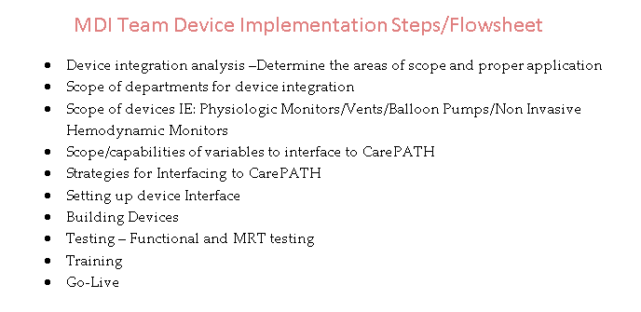

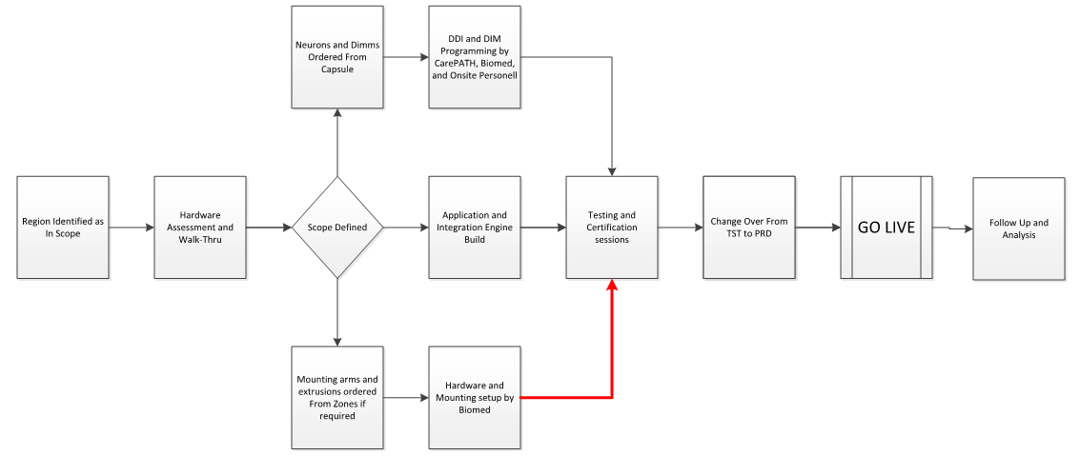

Neuron Usage Guidelines
Neuron Usage Guidelines
A best practice of the CarePATH MDI Team is to periodically check the status of Capsule devices, particularly Neurons, to ensure that they are in good working order. At times we will notice that our monitoring console is displaying a “Not Connect” indicator. This tells us that either the unit is powered off, or there is some other issue which is preventing it from communicating with the Capsule middleware server. Typically, Biomed will assist us in determining the cause and we will jointly take action to restore it to service.
On other occasions we will discover that a large number of Neurons in a particular location are offline. This may indicate that they are not being actively utilized by the clinical staff. In this event, we will contact the hospital to assess the issue. If there are technical difficulties with Capsule hardware or software, we will work with the staff and Biomed to resolve. On the other hand, our assessment may determine that the staff is not using the equipment for other reasons. In this event the CarePATH MDI team will assist in reorientation or retraining as necessary. If in the end the Capsule solution is determined to be incompatible with a given department’s workflow, we will request that the hardware be reallocated for use by other sites or be transferred to our Neuron spares inventory.

